Detailed Specification
Category | Qty (Sites) | Description |  |  | Comply Y/N
HPE Solution with Software, Services and Support, with the following minimum specification:
Rack Infrastructure | · 2 | · 2 x HPE 42U 600x1200mm Racks each with 4 x 7.3kVA/60309 3-wire 32A/230V Outlets (36) C13 (6) C19/Vertical INTL PDU
 |  | · KVM switch, Mouse, Monitor and LCD
 | · 3 | · 2 x H PESynergy 12000 Blade enclosure provided with relevant redundant 100GB Interconnect Modules providing 100GB uplinks and 50GB downlinks with relevant 32GB FC connectivity and Ethernet Connectivity and all cables and transceivers for connectivity. |  |  |  | 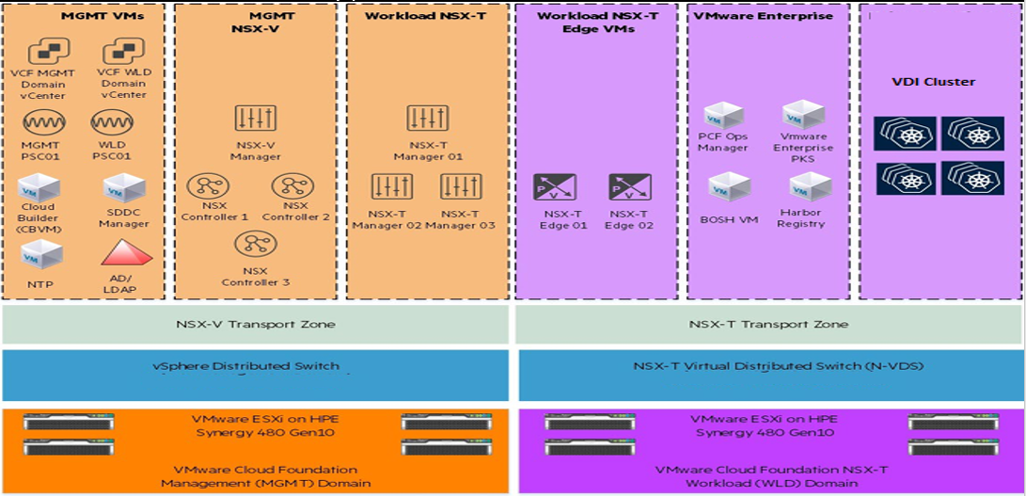
General Purpose Workloads - Virtualisation Servers | · 3 | · 10 x HPE Synergy Blade servers, each configured with:
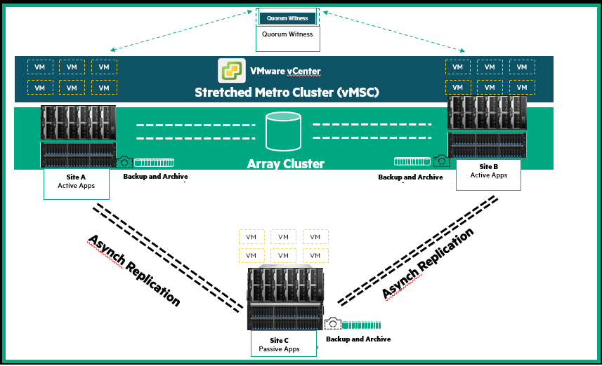
 |  | - 2x Processors: 4th Gen Gold Xeon® 24-core Scalable processors
 |  | - Memory: 1024TB (64GB (1x64GB) Dual Rank x4 DDR5-4800 CAS-40-39-39 EC8 Registered Smart Memory Kit).
 |  | - Internal HDD: 2 x 240GB SSDs.
 |  | - Mezzanine: Converged Network Adapter or equivalent with 25GB Ethernet and 32GB FC)..
ALM Virtualisation Nodes | · 3 | · 3 x HPE Synergy Blade servers, each configured with:
 |  | - 2x Processors: 4th Gen Gold Xeon® 24-core Scalable processor.
 |  | - Memory: 1024TB (64GB (1x64GB) Dual Rank x4 DDR5-4800 CAS-40-39-39 EC8 Registered Smart Memory Kit).
 |  | - Internal HDD: 2 x 240GB SSDs.
 |  | · Mezzanine: Converged Network Adapter or equivalent with 25GB Ethernet and 32GB FC)..
Management nodes | · 3 | · 3 x HPE Synergy Blade servers, each configured with:
 |  | - 2x Processors: 4th Gen Gold Xeon® 24-core Scalable processor.
 |  | - Memory: 1024TB (64GB (1x64GB) Dual Rank x4 DDR5-4800 CAS-40-39-39 EC8 Registered Smart Memory Kit).
 |  | - Internal HDD: 2 x 240GB SSDs.
 |  | · Mezzanine: Converged Network Adapter or equivalent with 25GB Ethernet and 32GB FC).
Domain Controllers | · 3 | · HPE DL20 servers, each configured with:
 |  | - 1 x Processors: Intel Xeon E-2314 2.8GHz 4-core processor
 |  | - Memory: 128GB
 |  | - Internal HDD: 2 x 1.2TB SAS 12G.
 |  | - NIC: 10Gb 2-port SFP+ Adapter
Networking | · 3 | · 2 x Redundant Aruba 48 Port 25G SFP+/28, with 8 x 100G QSFP+/28 uplink ports
 |  | - ALL cables and the necessary transceivers for connectivity

Storage Array | · 3

 |  | Qty | Part | Description
 |  | 1 | R0N93A | HPE Alletra 9000 4-way NVMe Storage Base
 |  | 1 | R0N99A | HPE Alletra 9060 2N Controller
 |  | 2 | R4W00A | HPE 1700W PS Battery Kit
 |  | 2 | R3B28A | HPE Alletra 9000 16/32Gb 4p FC HBA
 |  | 8 | Q2P62A | HPE 32Gb SFP28 Short Wave 1-pack Pull Tab Optical Transceiver
 |  | 1 | R3B13A | HPE Alletra 2240 2U SFF FIO Drive Enclosure
 |  | 24 | R0Q10B | HPE ALLETRA 9000 15.36TB NVMe FE SSD
 |  | 1 | R1P29A | HPE Data Encryption LTU
 |  | 0 | R7N52AAE#CTF | HPE Alletra Software and Support SaaS 3-year Subscription
Consulting and Deployment Services | · 3 | Consulting and Deployment Services
Services | · 3 | • Project Management with Complete documentation of the solution (Test, sign-off and handover) • Solution design. - Hardware design (Server, Network, Storage, Backup and DR Solution). - Vmware Design. • Solution Installation and Configuration - Onsite Installation and start up services for Server, Network, Storage, backup solution as per the design. - Vmware installation and configuration as per the design. - Data migration (about ~213TB), from current environment to new infrastructure - V2V migrations to new environment (About 300 VMs) - Disaster Recovery setup and configuration with automated failover and failback. - Disater Recovery testing
Managed Services (HW, OS and vMware Excl Applications) | · 3 | Managed Services (HO, SITA and DR) with Onsite Resource during business hrs & Remote after hrs. • Hardware Management • System administration and operation • Operating System (OS) Management • Database Support and Management • Bare Metal Management • On Premise Cloud support and management • Hypervisor support and management • Virtual Machine Management ~ 300 • Resource monitoring and alerting • Resource administration and operation • Aggregated log monitoring • OS imaging and patch management • Backup Management • Resource Backup, Archival and Recovery • Resource optimization • Capacity and utilisation Dashboards
Support and Maintenance | · 3 | • Hardware – 5 year 24x7 Complete Care (Semi-annual operating-system environment patch analysis, firmware analysis, Annual System Health Check) • Software – 5 year 24x7 telephonic support standard
Support and training Credits | · 1 | • 300 OEM Credits to provide for any additional services required by the department. • Training for 5 x Resources on the following o Compute o Storage o vMware vSphere

